DEWATA COCONUT (Coconut)
DATE | INV NO. | DESCRIPTIONS | AMOUNT | BILLS | PRICE | TOTAL
2026-02-01 | 12306 | COCONUT LOGO | 15 | 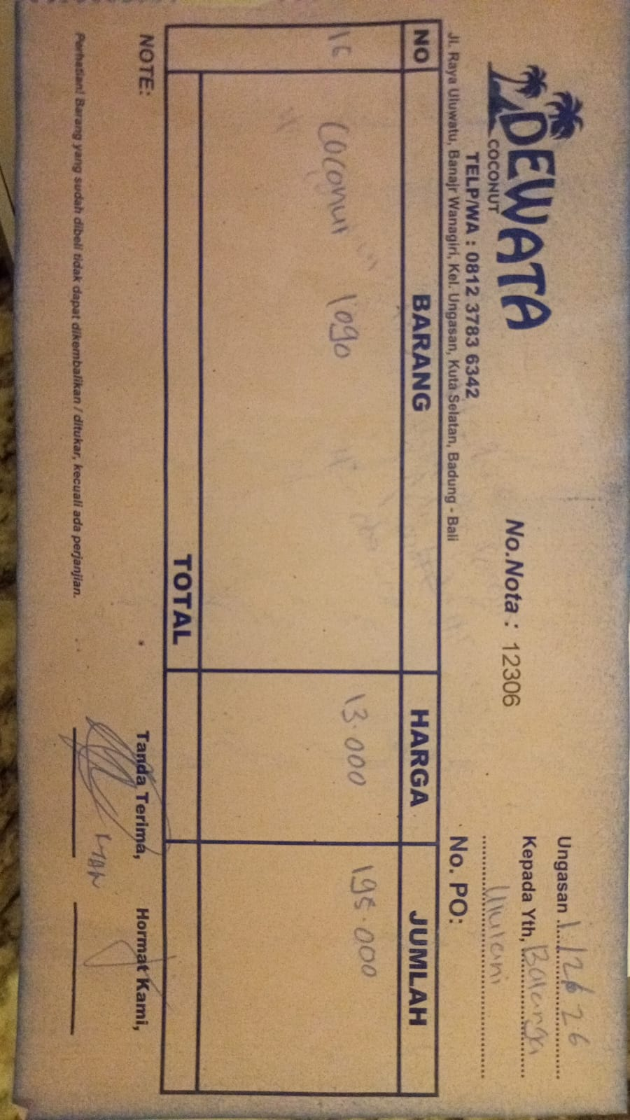 | IDR 13,000 | IDR 195,000
2026-02-03 | 12381 | COCONUT LOGO | 20 | 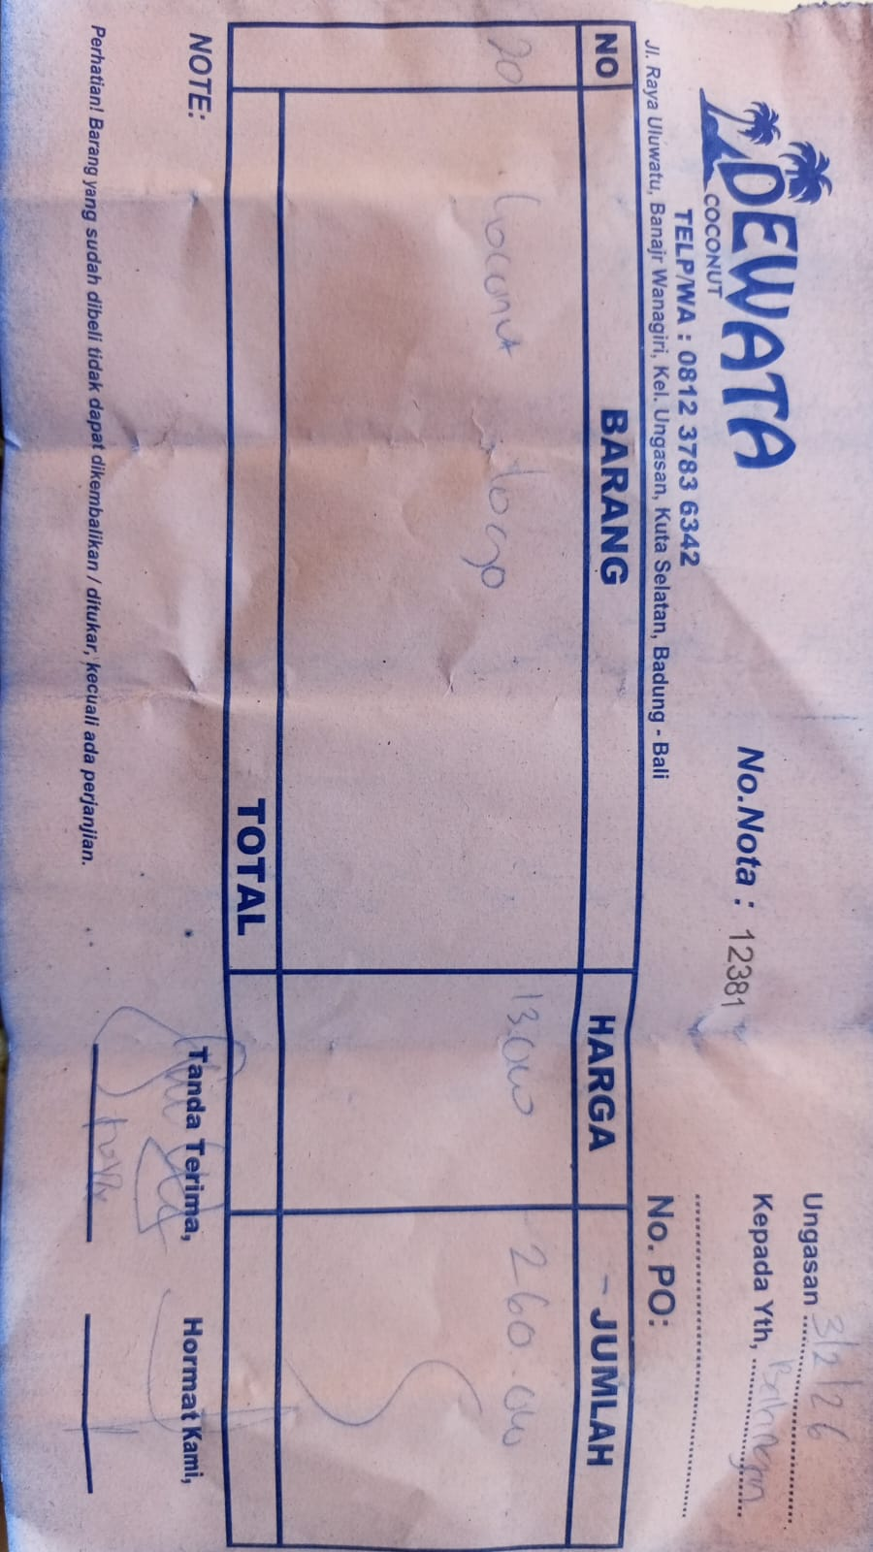 | IDR 13,000 | IDR 260,000
2026-02-05 | 12464 | COCONUT LOGO | 10 | 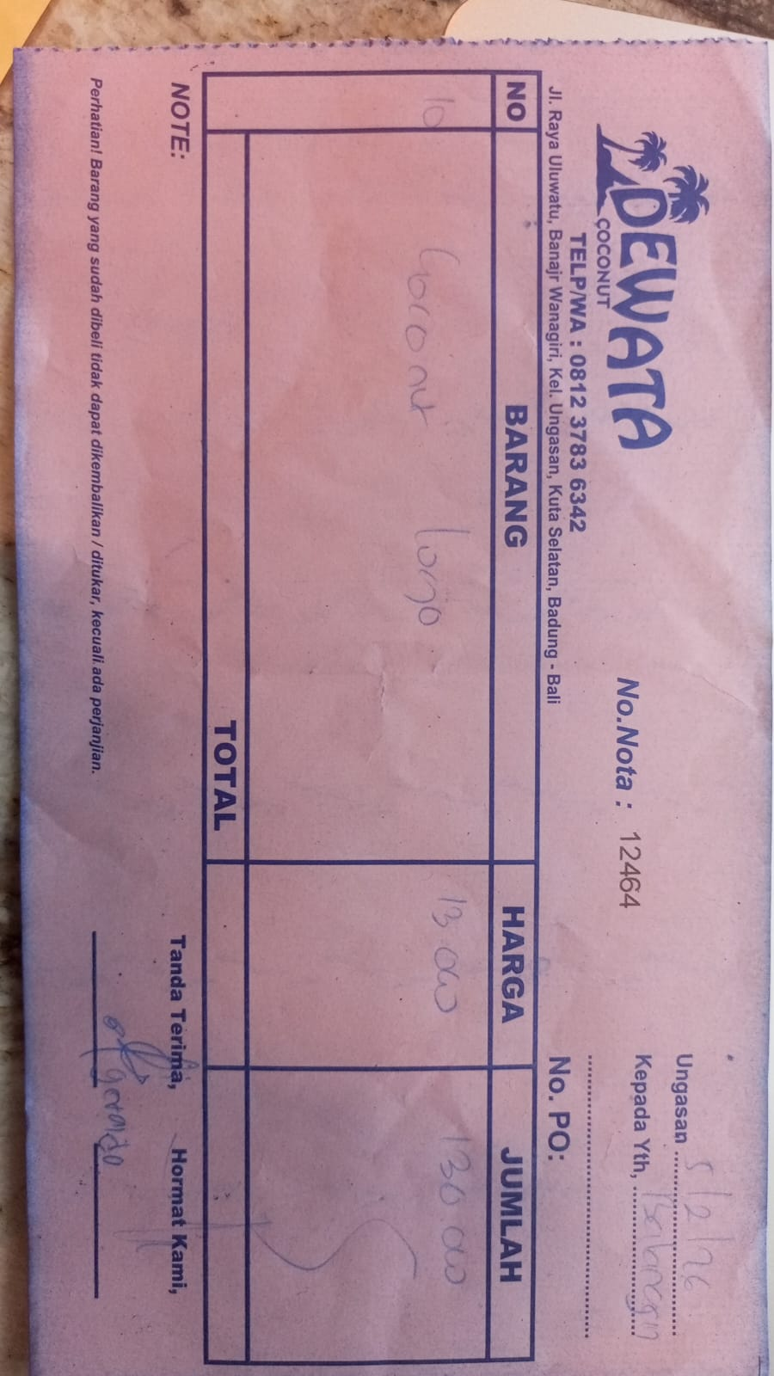 | IDR 13,000 | IDR 130,000
 |  |  |  |  |  | IDR -
 |  |  |  |  |  | IDR -
 |  |  |  |  |  | IDR -
 |  |  |  |  |  | IDR -
 |  |  |  |  |  | IDR -
 |  |  |  | Rp585,000

PNB (Alcohol)
DATE | INV NO. | DESCRIPTIONS | QTY | BILLS | UNIT PRICE | SUB TOTAL | TOTAL
6-Feb-2026 | SPNB2602345 | MANCINO BIANCO 750 ML | 3 | 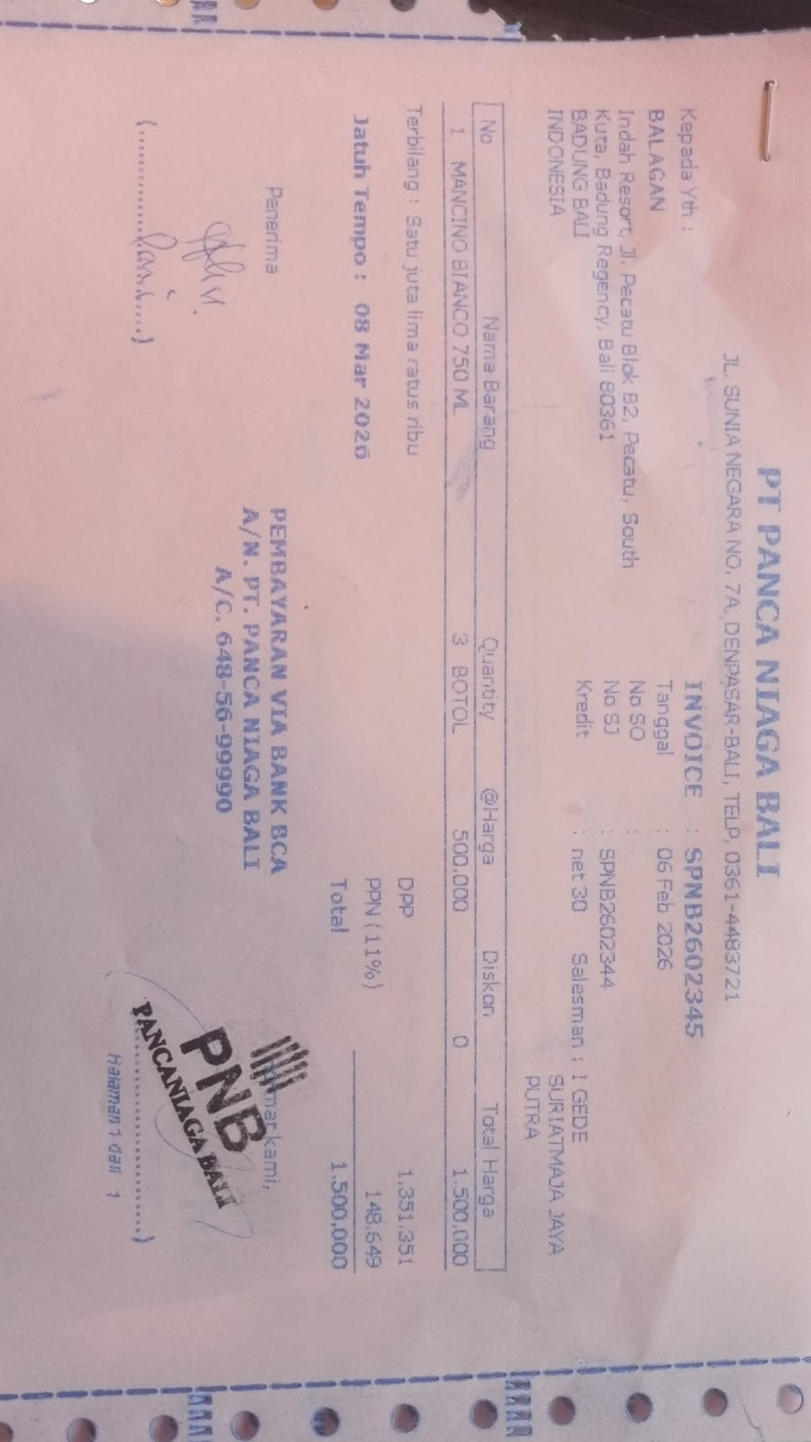 | IDR 500,000 | IDR 1,500,000 | IDR 1,500,000
 |  |  |  |  |  | IDR - | IDR -
 |  |  |  |  |  | IDR -
 |  |  |  |  |  | IDR -
 |  |  |  |  |  | IDR - | IDR -
 |  |  |  |  |  |  | Rp1,500,000

DSP (Alcohol)
DATE | INV NO. | DESCRIPTIONS | QTY | PRICE | DISCOUNT | UNIT PRICE | SUBTOTAL | TOTAL | BILL
5-Feb-2026 | SOMDG/DSP/26/02/0030 | MDG - F VODKA | 3 | IDR 246,000 | IDR - | IDR 246,000 | IDR 738,000 | IDR 738,000 | 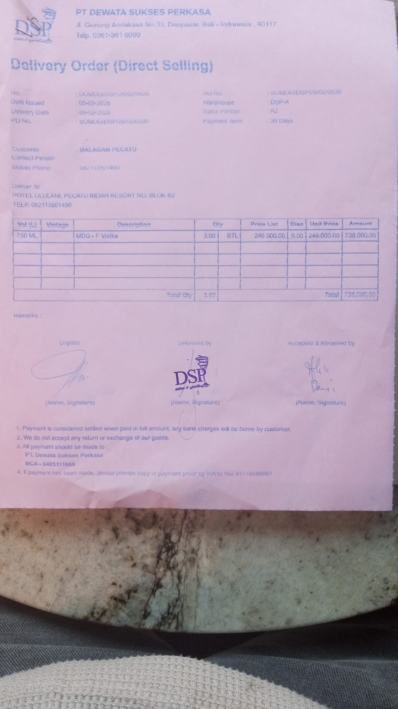
5-Feb-2026 | SO/DSP/26/02/0284 | DA VINCI LEONARDO PROSECCO DOC | 2 | IDR 370,000 | IDR 37,000 | IDR 333,000 | IDR 666,000 | IDR 666,000 | 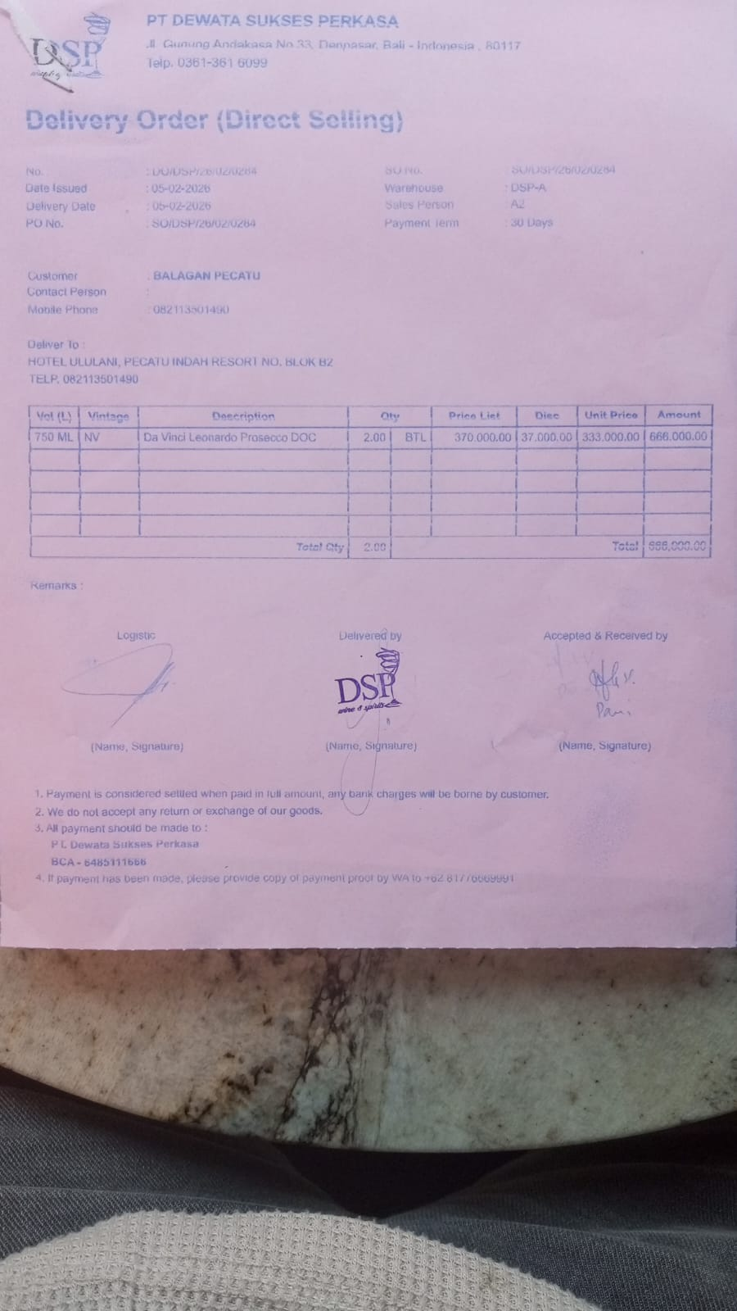
 |  |  |  |  |  | IDR - | IDR -
 |  |  |  |  | IDR - | IDR - | IDR - | IDR -
 |  |  |  |  | IDR - | IDR - | IDR - | IDR -
 |  |  |  |  | IDR - | IDR - | IDR - | IDR -
 |  |  |  |  | IDR - | IDR - | IDR -
 |  |  |  |  | IDR - | IDR - | Rp-
 |  |  |  |  | IDR - | IDR - | Rp- | Rp-
 |  |  |  |  | IDR - | IDR - | Rp- | Rp-
 |  |  |  |  | Rp- | Rp- | Rp- | Rp-
 |  |  |  |  |  | Rp- | Rp- | Rp-
 |  |  |  |  | Rp- | Rp- | Rp- | Rp-
 |  |  |  |  | Rp- | Rp- | Rp- | Rp-
TOTAL |  |  |  |  | Rp1,404,000

DSP ARYA BIMA (Alcohol)
DATE | INV NO. | DESCRIPTIONS | QTY | BILLS | PRICE | TOTAL
5-Feb-2026 | SOPR/ABC/26/02/0071 | HAVANA CLUB 3 YO | 2 | 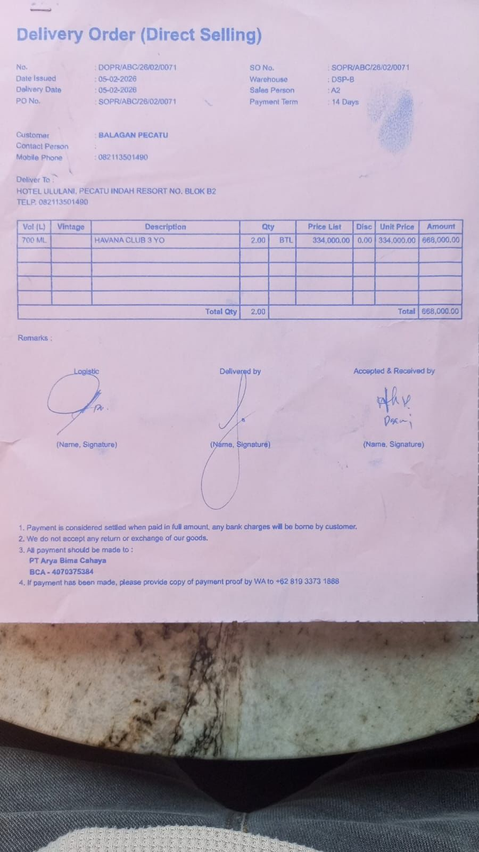 | IDR 334,000 | IDR 668,000
TOTAL |  |  |  | Rp668,000

SELERA OR STIR UP (Syrup)
DATE | INV NO. | DESCRIPTIONS | QTY | BILLS | PRICE | SUBTOTAL | TOTAL
2-Feb-2026 | SO.03-260055 | CRIMINAL CARAMEL PET | 2 | 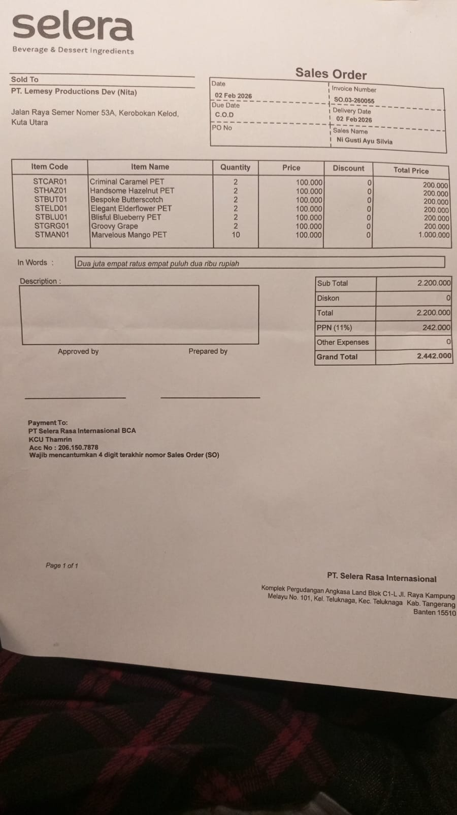 | IDR 100,000 | IDR 200,000 | IDR 2,200,000
 |  | HANDSOME HAZELNUT PET | 2 |  | IDR 100,000 | IDR 200,000
 |  | BESPOKE BUTTERSCOTCH | 2 |  | IDR 100,000 | IDR 200,000
 |  | ELEGANT ELDERFLOWER PET | 2 |  | IDR 100,000 | IDR 200,000
 |  | BLISFUL BLUEBERRY PET | 2 |  | IDR 100,000 | IDR 200,000
 |  | GROOVY GRAPE | 2 |  | IDR 100,000 | IDR 200,000
 |  | MARVELOUS MANGO PET | 10 |  | IDR 100,000 | IDR 1,000,000
SUB TOTAL |  |  | 22 |  | PPN (11%) |  | IDR 242,000
TOTAL |  |  |  | Rp2,442,000.00
 |  |  |  | GRAND TOTAL | Rp2,442,000

DW BALI (Alcohol)
DATE | INV NO. | DESCRIPTIONS | AMOUNT | BILLS | PRICE | TOTAL
6-Feb-2026 | DW/71/873 | JIM BEAM BLACK 700 ML | 2 | 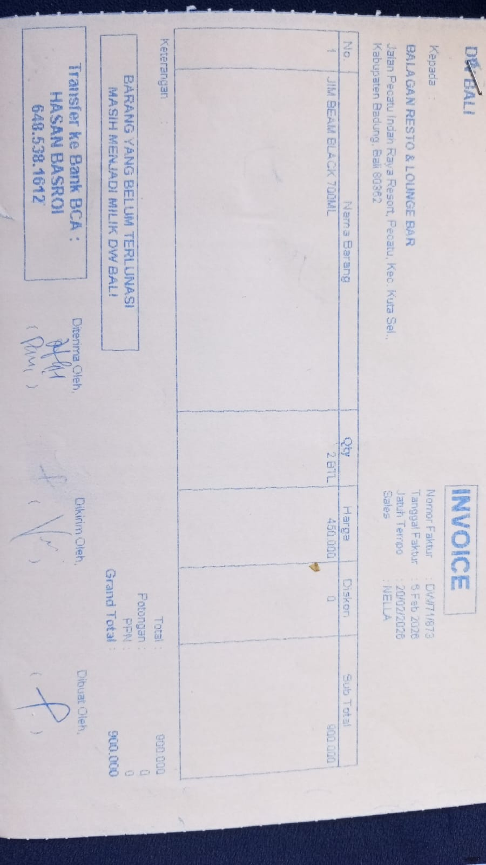 | Rp900,000 | Rp1,800,000
 |  |  |  |  |  | Rp-
GRAND TOTAL |  |  |  | Rp1,800,000

BLACK COFFEE ROASTERS (Coffee)
DATE | INV NO. | DESCRIPTIONS | QTY | PRICE | BILLS | TOTAL
2-Feb-2026 | BL2-10-2613 | CANGGU BLEND 1 KG | 20 | IDR 280,000 | 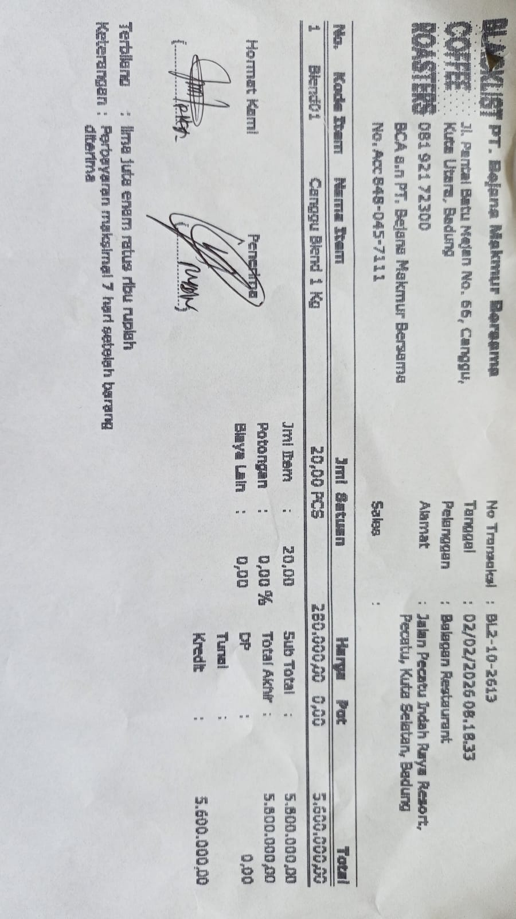 | IDR 5,600,000
 |  |  |  |  |  | IDR -
Total |  |  |  |  | Rp5,600,000

PT. PRASIDA LANTUR MAJU (Wine)
DATE | INV NO. | DESCRIPTIONS | QTY | BILLS | PRICE | TOTAL
2-Feb-2026 | PLM-INV0351/2026 | ISOLA RISERVA SYRAH 750 | 3 | 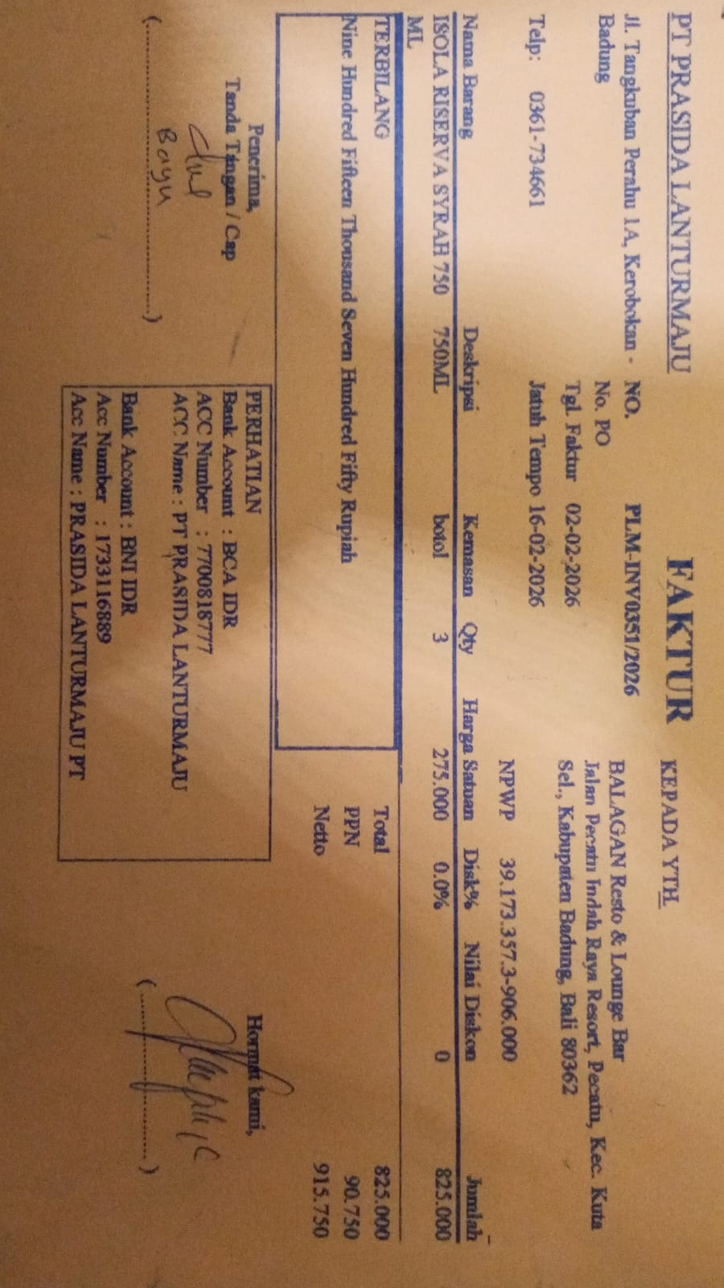 | IDR 275,000 | IDR 825,000
SUBTOTAL |  |  | 3 |  | PPN | Rp90,750
TOTAL |  |  |  | Rp915,750
5-Feb-2026 | PLM-INV0415/2026 | ISOLA BIANCO 750 ML | 3 | 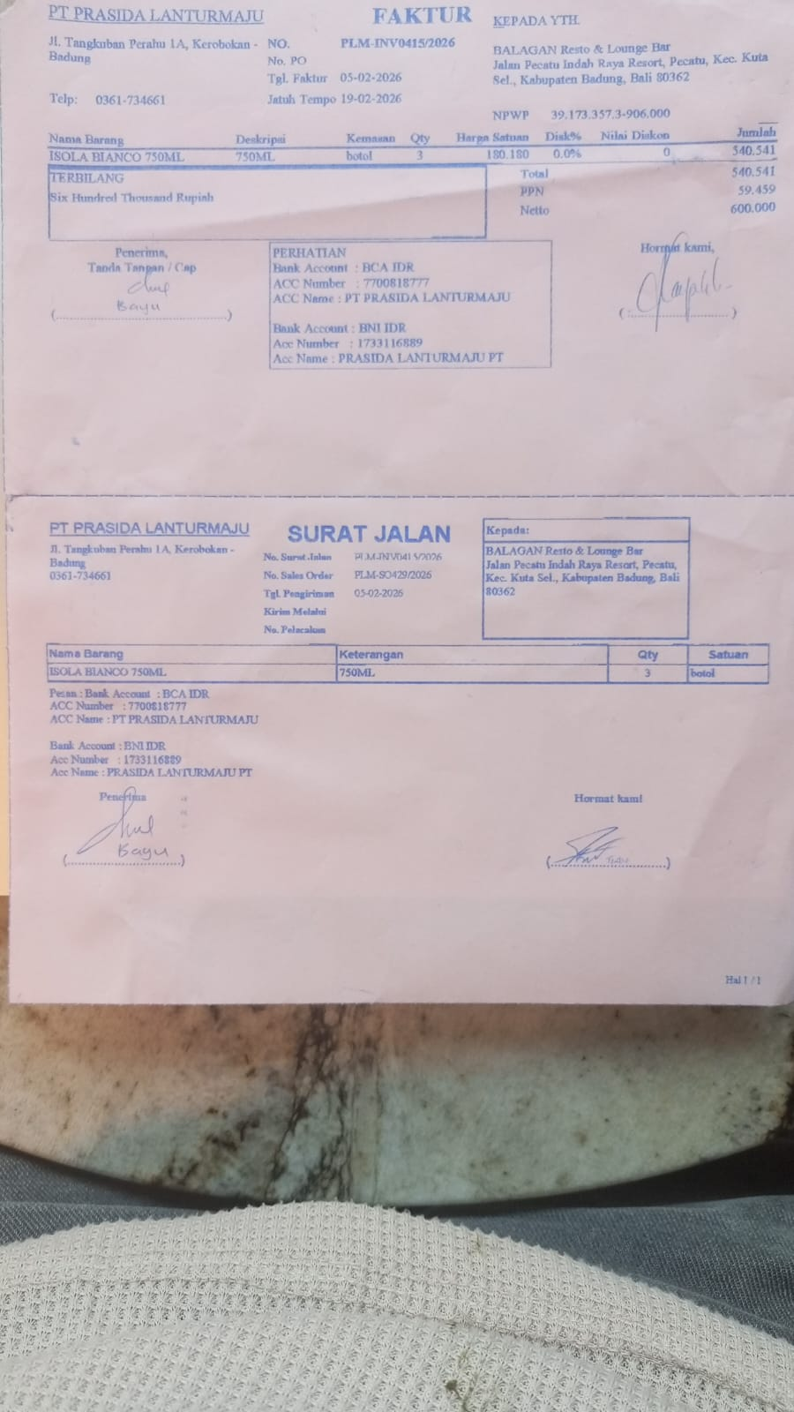 | IDR 180,180 | IDR 540,540
SUBTOTAL |  |  | 3 |  | PPN | Rp59,459
TOTAL |  |  |  | Rp600,000
GRAND TOTAL |  |  |  | Rp1,515,750

